LACOSTE L1212 CLASSIC FIT POLOS
Classic Fit Long Sleeves L.12.12 Polo Shirt
MODEL | COLOUR | CATEGORY | ITEM CODE | QUANTITY | 3 | 4 | 5 | 6 | 7 | 8
1 | BLACK | LACOSTE MEN POLO | L1212-00-031 | 875 | 125 | 250 | 250 | 125 | 125 | 0
 | 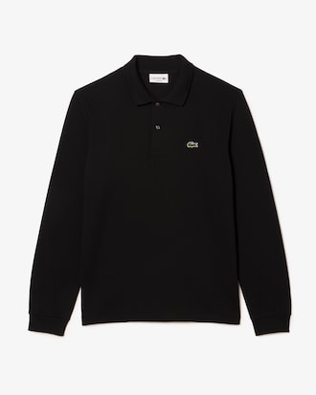 | Heather petit piqué, Lacoste's signature knit Ribbed collar and sleeves Classic fit, comfortable cut and sleeves Genuine mother of pearl buttons Embroidered crocodile sewn on the chest Main fabric:Cotton (100%) / Cuff Rib Edge:Cotton (95%),Elastane (5%)
MODEL | COLOUR | CATEGORY | ITEM CODE | QUANTITY | 3 | 4 | 5 | 6 | 7 | 8
2 | BLANC-WHITE | LACOSTE MEN POLO | L1212-00-001 | 875 | 125 | 250 | 250 | 125 | 125 | 0
 |  | Heather petit piqué, Lacoste's signature knit Ribbed collar and sleeves Classic fit, comfortable cut and sleeves Genuine mother of pearl buttons Embroidered crocodile sewn on the chest Main fabric:Cotton (100%) / Cuff Rib Edge:Cotton (95%),Elastane (5%)
MODEL | COLOUR | CATEGORY | ITEM CODE | QUANTITY | 3 | 4 | 5 | 6 | 7 | 8
3 | MIDNIGTH BLUE | LACOSTE MEN POLO | L1212-00-166 | 875 | 125 | 250 | 250 | 125 | 125 | 0
 | 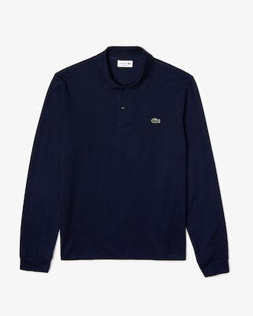 | Heather petit piqué, Lacoste's signature knit Ribbed collar and sleeves Classic fit, comfortable cut and sleeves Genuine mother of pearl buttons Embroidered crocodile sewn on the chest Main fabric:Cotton (100%) / Cuff Rib Edge:Cotton (95%),Elastane (5%)
MODEL | COLOUR | CATEGORY | ITEM CODE | QUANTITY | 3 | 4 | 5 | 6 | 7 | 8
4 | PINE GREEN | LACOSTE MEN POLO | L1212-00-132 | 525 | 75 | 150 | 150 | 75 | 75 | 0
 | 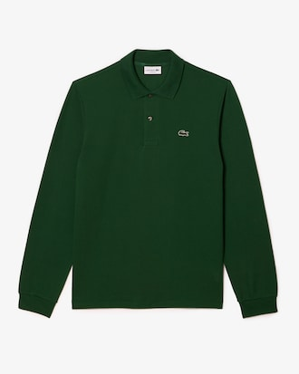 | Heather petit piqué, Lacoste's signature knit Ribbed collar and sleeves Classic fit, comfortable cut and sleeves Genuine mother of pearl buttons Embroidered crocodile sewn on the chest Main fabric:Cotton (100%) / Cuff Rib Edge:Cotton (95%),Elastane (5%)
MODEL | COLOUR | CATEGORY | ITEM CODE | QUANTITY | 3 | 4 | 5 | 6 | 7 | 8
5 | PALE BLUE | LACOSTE MEN POLO | L1212-00-T01 | 525 | 75 | 150 | 150 | 75 | 75 | 0
 | 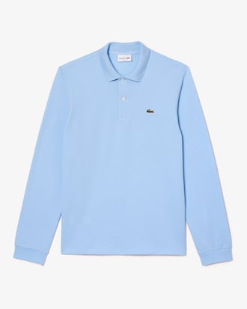 | Heather petit piqué, Lacoste's signature knit Ribbed collar and sleeves Classic fit, comfortable cut and sleeves Genuine mother of pearl buttons Embroidered crocodile sewn on the chest Main fabric:Cotton (100%) / Cuff Rib Edge:Cotton (95%),Elastane (5%)
MODEL | COLOUR | CATEGORY | ITEM CODE | QUANTITY | 3 | 4 | 5 | 6 | 7 | 8
6 | RED | LACOSTE MEN POLO | L1212-00-240 | 525 | 75 | 150 | 150 | 75 | 75 | 0
 | 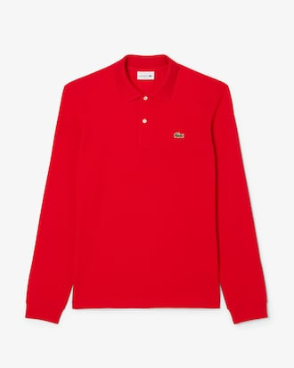 | Heather petit piqué, Lacoste's signature knit Ribbed collar and sleeves Classic fit, comfortable cut and sleeves Genuine mother of pearl buttons Embroidered crocodile sewn on the chest Main fabric:Cotton (100%) / Cuff Rib Edge:Cotton (95%),Elastane (5%)
MODEL | COLOUR | CATEGORY | ITEM CODE | QUANTITY | 3 | 4 | 5 | 6 | 7 | 8
7 | BEIGE | LACOSTE MEN POLO | L1212-00-02S | 525 | 75 | 150 | 150 | 75 | 75 | 0
 | 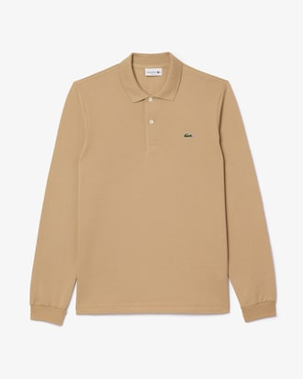 | Heather petit piqué, Lacoste's signature knit Ribbed collar and sleeves Classic fit, comfortable cut and sleeves Genuine mother of pearl buttons Embroidered crocodile sewn on the chest Main fabric:Cotton (100%) / Cuff Rib Edge:Cotton (95%),Elastane (5%)
MODEL | COLOUR | CATEGORY | ITEM CODE | QUANTITY | 3 | 4 | 5 | 6 | 7 | 8
8 | LIGTH PINK | LACOSTE MEN POLO | L1212-00-T03 | 525 | 75 | 150 | 150 | 75 | 75 | 0
 | 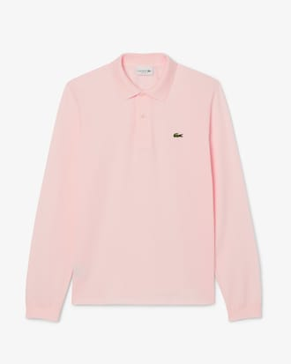 | Heather petit piqué, Lacoste's signature knit Ribbed collar and sleeves Classic fit, comfortable cut and sleeves Genuine mother of pearl buttons Embroidered crocodile sewn on the chest Main fabric:Cotton (100%) / Cuff Rib Edge:Cotton (95%),Elastane (5%)
MODEL | COLOUR | CATEGORY | ITEM CODE | QUANTITY | 3 | 4 | 5 | 6 | 7 | 8
9 | NAVY BLUE | LACOSTE MEN POLO | L1212-00-F9F | 525 | 75 | 150 | 150 | 75 | 75 | 0
 | 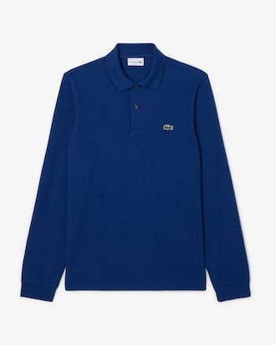 | Heather petit piqué, Lacoste's signature knit Ribbed collar and sleeves Classic fit, comfortable cut and sleeves Genuine mother of pearl buttons Embroidered crocodile sewn on the chest Main fabric:Cotton (100%) / Cuff Rib Edge:Cotton (95%),Elastane (5%)
MODEL | COLOUR | CATEGORY | ITEM CODE | QUANTITY | 3 | 4 | 5 | 6 | 7 | 8
10 | BORDEAUX | LACOSTE MEN POLO | L1212-00-476 | 525 | 75 | 150 | 150 | 75 | 75 | 0
 | 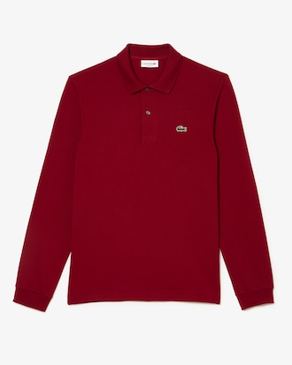 | Heather petit piqué, Lacoste's signature knit Ribbed collar and sleeves Classic fit, comfortable cut and sleeves Genuine mother of pearl buttons Embroidered crocodile sewn on the chest Main fabric:Cotton (100%) / Cuff Rib Edge:Cotton (95%),Elastane (5%)
 |  |  | TOTAL | 6300

